Sheet1
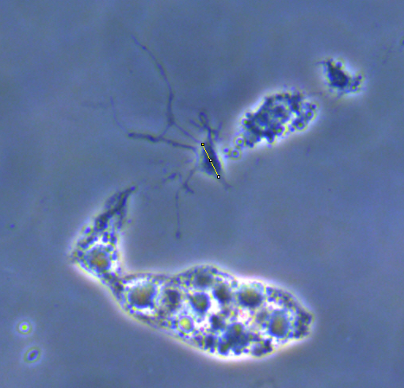
Neurons | Neurite 1 | Neurite 2 | Neurite 3 | Neurite 4 | Neurite 5
neurites1 | 15.17 | 7.82 | 8.71 |  |  |  | Example of the estimation
neurites2 | 28.94 | 16.64 | 14.92
neurites3 | 28.29 | 22.15 | 33.07 | 29.45 |  | all distances
neurites5 | 18.75 | 42.19 | 47.48 |  |  | are in um
neurites7 | 8.18 | 9.91 | 20.30 | 13.74
neurites8 | 15.03 | 6.57
neurites9 | 23.36 | 9.62 |  |  |  | soma size
neurites10 | 22.45 | 3.82 |  |  |  | is 8 um
neurites11 | 22.99 | 51.05 | 8.92 | 18.21
neurites12 | 21.14 | 13.95 | 12.59
neurites13 | 14.98 | 12.47 | 7.08 | 13.24 |  | measured only the maximal visible legnth
neurites14 | 12.77 | 27.51 |  |  |  | neurons partially folded with their dendrites
neurites15 | 18.84 | 11.60 | 24.59
neurites16 | 9.36 | 31.49 | 6.35 | 26.66
neurites18 | 21.29 | 9.00
neurites19 | 24.04 | 14.38 | 23.55 | 32.00
neurites20 | 12.31 | 14.54 | 15.12 | 8.62 | 9.40
neurites21 | 22.89 | 24.62

 |  |  |  |  |  |  | cell seize~8um

